KB001
Knowledge Base | No core file downloaded to CG

Knowledge Base No. | KB001

Related Email | N/A
Support Procedure | 1. Call Amy, Edward or Wayne to see whether they receive alert email or not ?
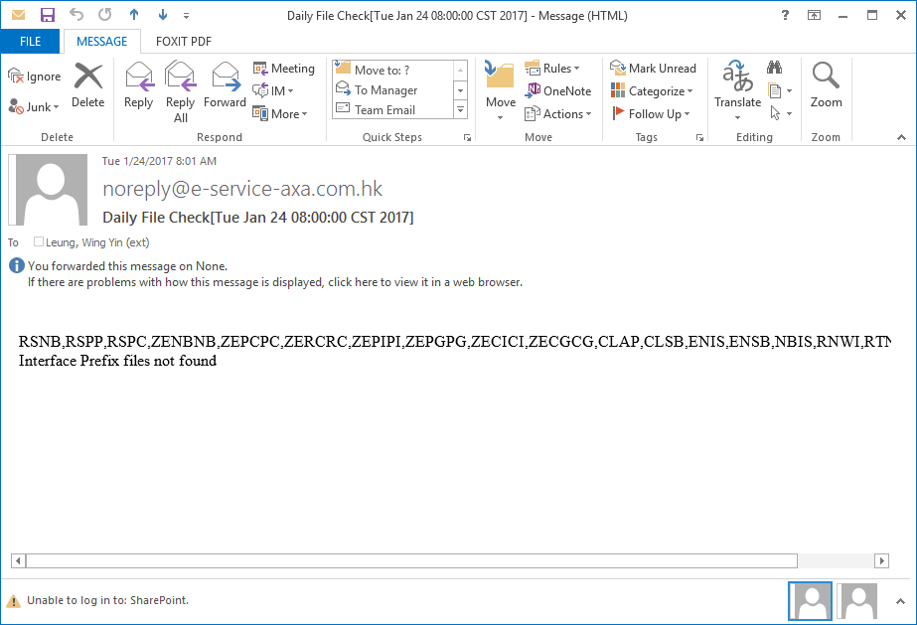

 | 2. If they have email recevied, forward the email to AXA Level One support. The message is asking their core systems to follow up.
 | 3. If they don't have email receivied, it is possible that all records are rejected or there is no file content in the core file.
 | 4. To check, login to CG
 | 5. Go to related business line (e.g. Life, Group Health, etc) 6. Go to Notification Management > Notifiation Source Upload 7. Select Transaction Date and check whether there are touchpoints for the date

Input Date
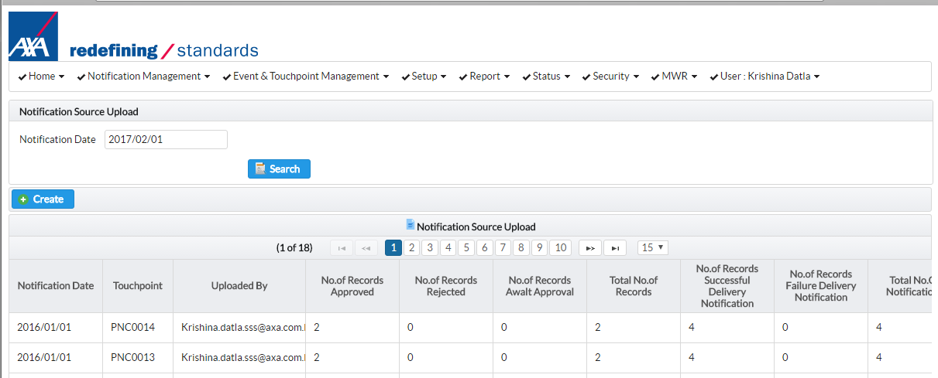

Click Search

Notification Date
Touchpoint
If Total No. of Records is zero.

 | 8. If total number of records is zero. Contact core system team. Mentioned that for this touchpoint, there is no record in the file.
 | 9. If all records are error, use Winscp to login to /cygdrive/d/repos/cg/input/NotificationSource/core/error (host: 43.248.166.73 / user id: axa-sys / password: P@ssw0rd )
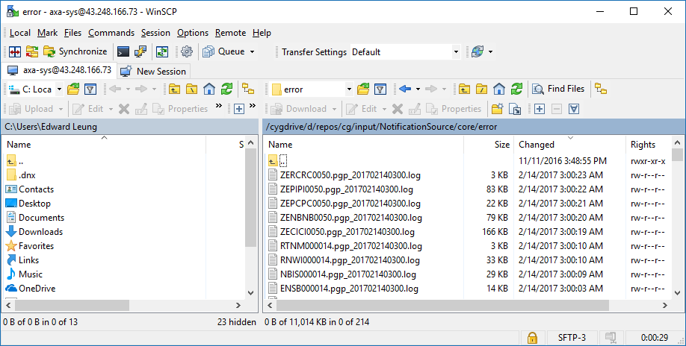

 | 10. Check on the current date or yesterday, whether there are error file found.
 | 11. Download the file and check the error content. Send to relatd core system team for follow up.

Appendix | Daily Download File

 |  | Core Files Downloaded

 |  | Business Line | System | Interface File Prefix | TouchPoint | Download Time | Destination Folder
 |  | Life | RLS | RSNB |  | To be confirmed | /cygdrive/d/repos/cg/input/NotificationSource/core/source
 |  | Life | RLS | RSPP |  | To be confirmed | /cygdrive/d/repos/cg/input/NotificationSource/core/source
 |  | Life | RLS | RSPC |  | To be confirmed | /cygdrive/d/repos/cg/input/NotificationSource/core/source
 |  | Group Health | EB | GPPNDCLM |  | To be confirmed | /cygdrive/d/repos/cg/input/NotificationSource/core/source
 |  | Individual Health | G400 | ZENBNB |  | To be confirmed | /cygdrive/d/repos/cg/input/NotificationSource/core/source
 |  | Individual Health | G400 | ZEPCPC |  | To be confirmed | /cygdrive/d/repos/cg/input/NotificationSource/core/source
 |  | Individual Health | G400 | ZERCRC |  | To be confirmed | /cygdrive/d/repos/cg/input/NotificationSource/core/source
 |  | Individual Health | G400 | ZEPIPI |  | To be confirmed | /cygdrive/d/repos/cg/input/NotificationSource/core/source
 |  | Individual Health | G400 | ZEPGPG |  | To be confirmed | /cygdrive/d/repos/cg/input/NotificationSource/core/source
 |  | Individual Health | G400 | ZECICI |  | To be confirmed | /cygdrive/d/repos/cg/input/NotificationSource/core/source
 |  | Individual Health | G400 | ZECGCG |  | To be confirmed | /cygdrive/d/repos/cg/input/NotificationSource/core/source
 |  | P&C | PSEA | CLAP |  | To be confirmed | /cygdrive/d/repos/cg/input/NotificationSource/core/source
 |  | P&C | PSEA | CLSB |  | To be confirmed | /cygdrive/d/repos/cg/input/NotificationSource/core/source
 |  | P&C | PSEA | ENIS |  | To be confirmed | /cygdrive/d/repos/cg/input/NotificationSource/core/source
 |  | P&C | PSEA | ENSB |  | To be confirmed | /cygdrive/d/repos/cg/input/NotificationSource/core/source
 |  | P&C | PSEA | NBIS |  | To be confirmed | /cygdrive/d/repos/cg/input/NotificationSource/core/source
 |  | P&C | PSEA | RNWI |  | To be confirmed | /cygdrive/d/repos/cg/input/NotificationSource/core/source
 |  | P&C | PSEA | RTNM |  | To be confirmed | /cygdrive/d/repos/cg/input/NotificationSource/core/source
 |  | Channel (RCMS) | RCMS | RCMS |  | To be confirmed | /cygdrive/d/repos/cg/input/NotificationSource/core/source

KB002
Knowledge Base | Invalid Notification Content

Knowledge Base No. | KB002

Related Email | N/A
Support Procedure | 1. Ask user to send us the related email / SMS
 | 2. Ask user to provide what is the related business line and touchpoint
 | 3. Go to CG, notification approval screen. See whether you can get the record. (Too old record might not be able to found. CG only keep records for a few years of record!)
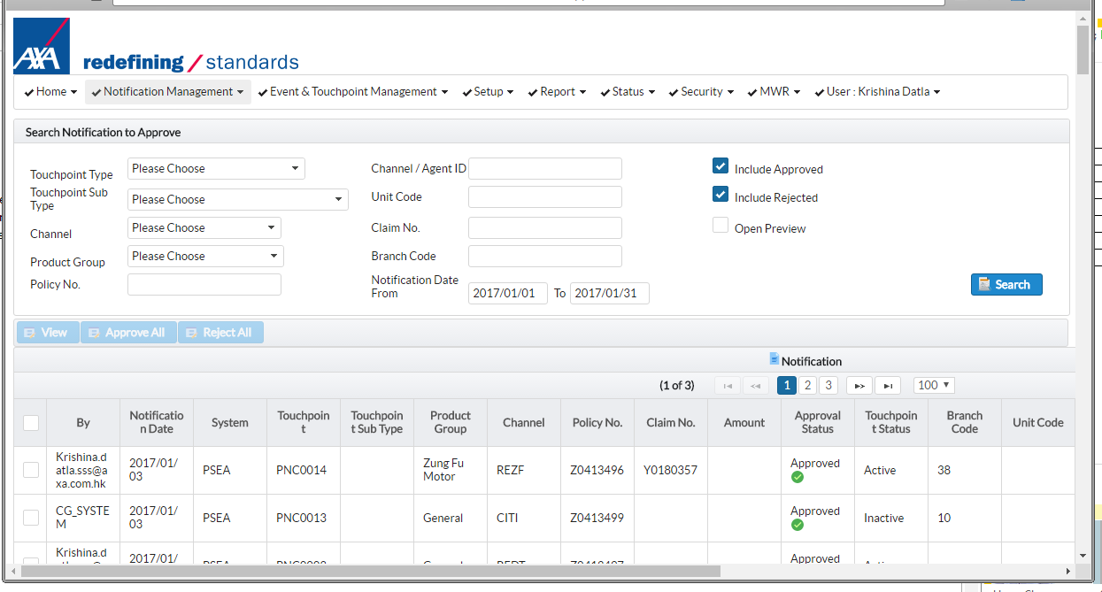

Click both choices

After input
criteria, click Search

Input criteria

 | 4. Select the content and click View
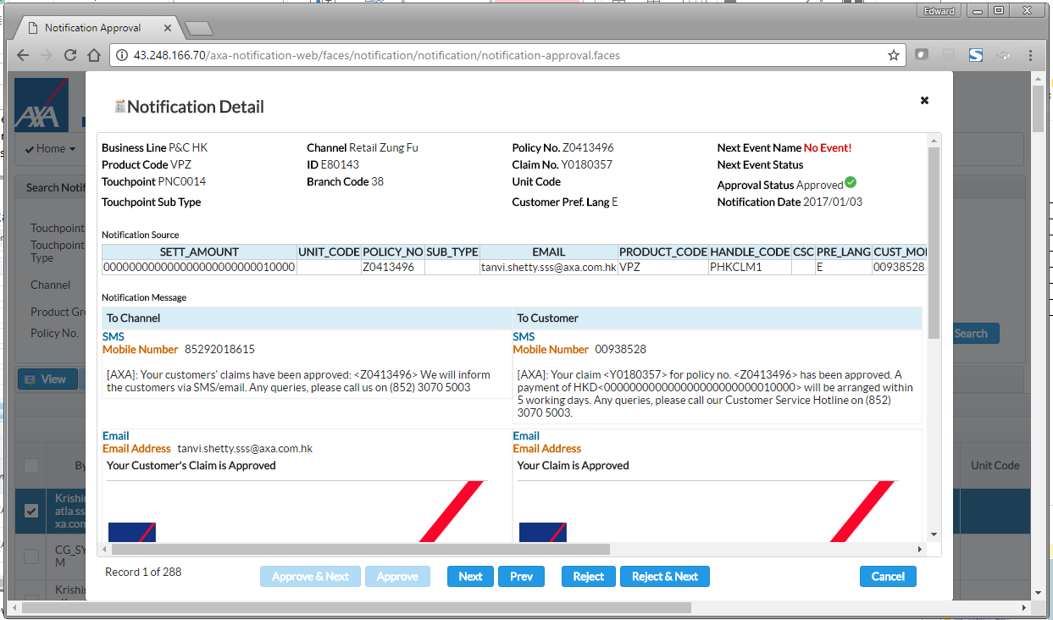

Source file content

Content

 | 5. If the content is incorrect per definition defined by end users. Report this to application team.
 | 6. If the content is correct, please also go to Report > Notification History Inquiry.

KB003
Knowledge Base | Notification History Repository is down

Knowledge Base No. | KB003

Related Email | N/A
Support Procedure | 1. Go to CG, go to Report > Notification History Inquiry
 | 2. If there is bank page, it means the web servcies of NHR not working.
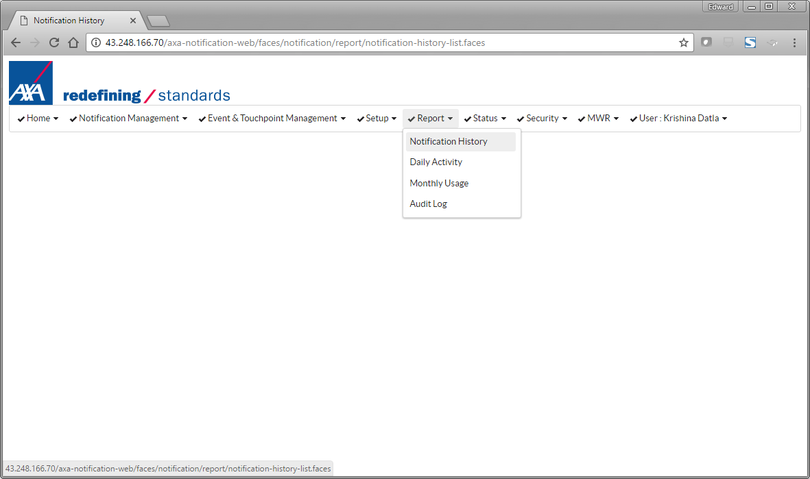

Go to this screen

 | 3. If it has blank screen as follows. NHR connection is not working
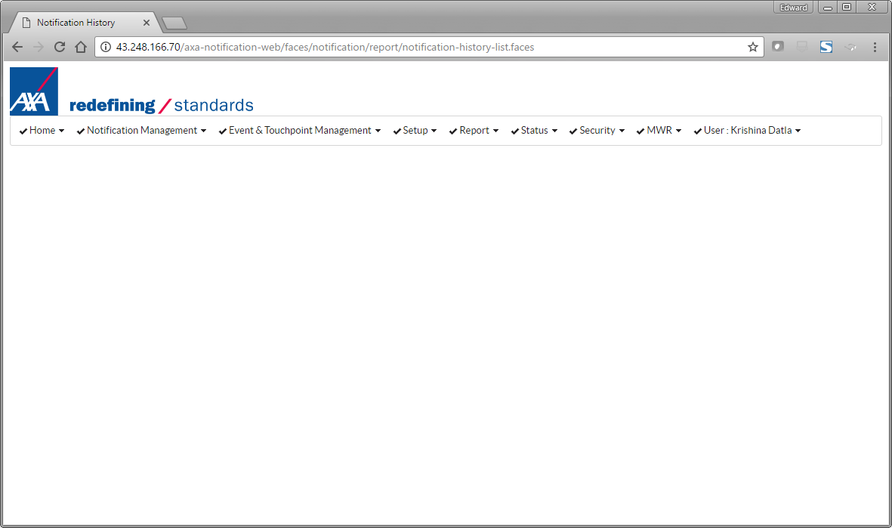

It shows notification history but the screen is blank

 | 4. Open the browser, type in the URL as follows:
 | https://nhr.e-service-axa.com.hk/axa-nhr-web/spring/nhr/getNotificationHistoryByXml

 | If you can see XML error, it means it has response. Contact application team
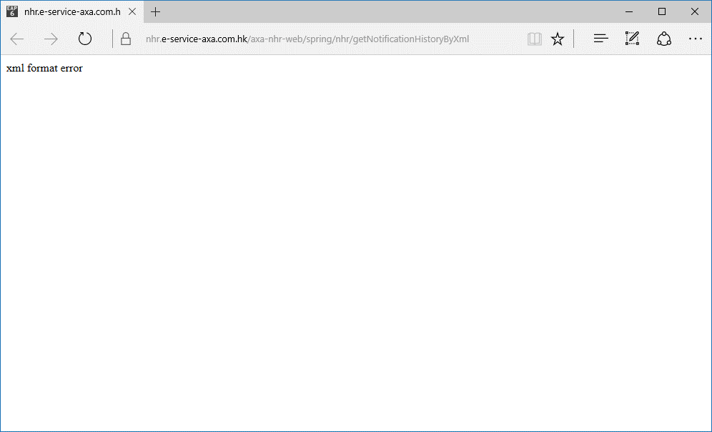

 | 5. If there is no reply from the web service. Contact Infrastructure team for follow up.

 | Possible problem: NHR is not up. Proxy server not routing related http services.

 | 6. If there is reply from the web service saying connection refused. Contact application team. The httpd service may down.

KB004
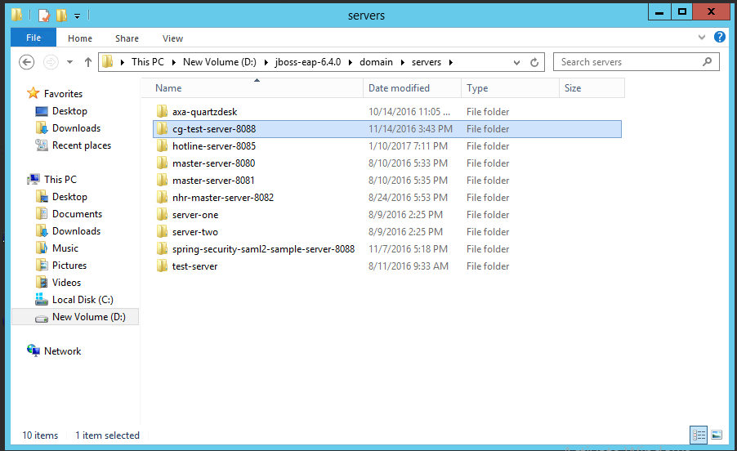
Knowledge Base | eNotification Portal Not Accessable

Knowledge Base No. | KB004

Related Email | N/A
Support Procedure | 1. Check user login to AXA internal network or not. There is whitelist set. For others, they cannot login. | Whitle List
 | 2. If it is in the whitelist. Login to CG production Server. Please refer to server log. | Production Server List
 | 3. Login to VPN of ATOS. Check Jboss is running or not
 | 4. Check jboss is running
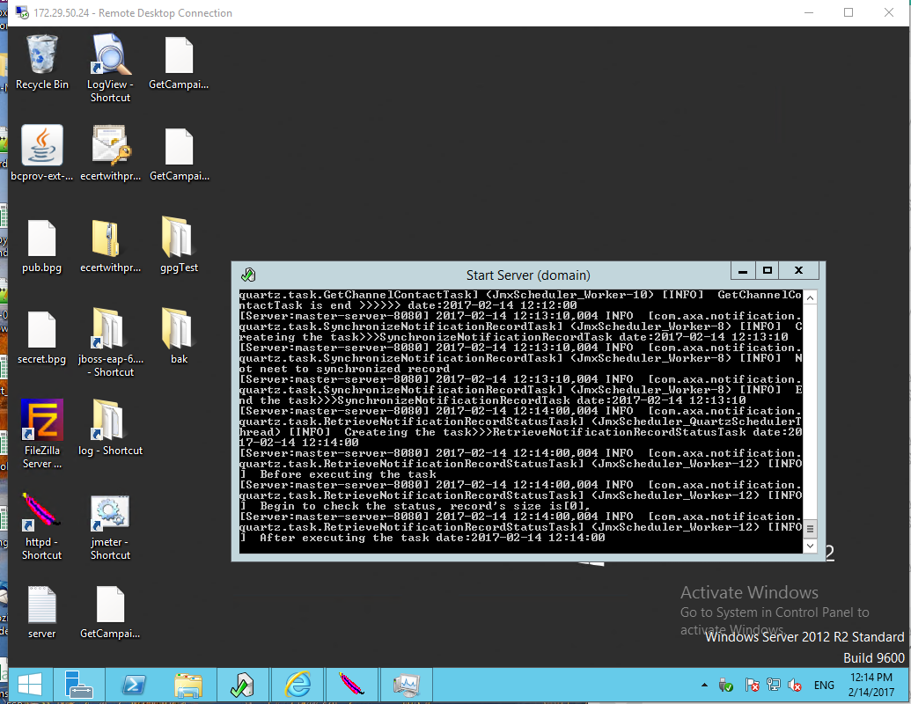

 | 5. Login to http://172.29.52.24:9990/console/App.html
 | 6. Check the service (master / slave) is running
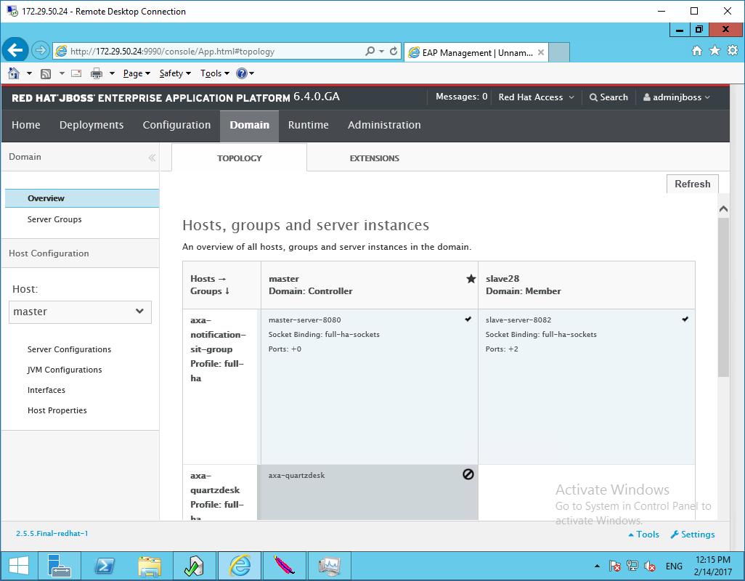

 | 7. If they are running, get all log files and send to application team for follow up.

